Scenerio Doc
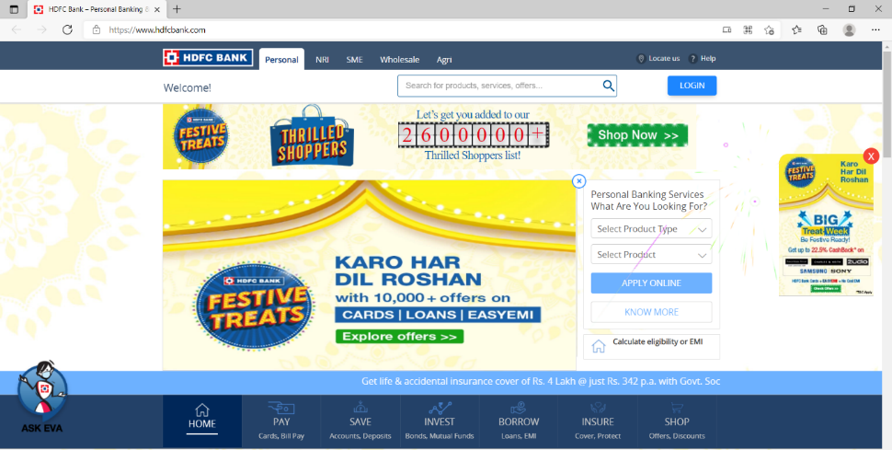
Website to Test:-

 |  |  | Scenerio Document

SC.No | SC.Name | SC.Objective | Preconditions | Test Conditions
SC01 | Apply Online button | Check Apply Online button by select product type and product | Apply Online button with Two dopdown of select product name and select product is available | 1.With product type as card and product as credit card.
 |  |  |  | 2.With product type cards and product as Debit card
 |  |  |  | 3.With product type cards and product as prepaid cards
 |  |  |  | 4.With product type as card and product as credit card services
 |  |  |  | 5.with product type as card and product as Forex cards.
 |  |  |  | 6.with product type as cards and product as Fastag.
 |  |  |  | 7.with product type as cards and product as Loan on credit card
 |  |  |  | 8.with product type as Accounts and product as Saving Accounts.
 |  |  |  | 9.With product as Accounts and product as Current Accounts.
 |  |  |  | 10.with product type as Accounts and product as Rural Accounts
 |  |  |  | 11.with product type as Accounts and product as Salary Account.
 |  |  |  | 12.With product type as Accounts and product as InstaAccount 13.with product type as Deposits and Product as Fixed Deposit.
 |  |  |  | 13.With product type as Deposit and product as Fixed Deposit.
 |  |  |  | 14. With product type as Deposits and product as Recurring Deposit
 |  |  |  | 15.With product type as Deposits and product type as FD Via SMS
 |  |  |  | 16. with product type as loans and product as Personal loan.
 |  |  |  | 17.with product type as loans and product as Loans on credit card.
 |  |  |  | 18.with product type a loans and product as SmartEMI
 |  |  |  | 19.With product type as loans and product as Business loan.
 |  |  |  | 20.With product type as loans and product as Pre-owned Car Loan
 |  |  |  | 21. With product type as loans and product as Two wheeler loans
 |  |  |  | 22.With product type as Loans and product as Salary Plus
 |  |  |  | 23.With product type as Loans and product as Government Sponsored Programs.
 |  |  |  | 24.with product type as EMI and product as Consumer Durables .
 |  |  |  | 25.with product type as EMI and product as Lifecare.
 |  |  |  | 26. With product type as EMI and product type as Lifestyle.
 |  |  |  | 27.With product type FASTag and product as FASTag Cards
 |  |  |  | 28.with product type as Invest and product as Public Provident Fund.
 |  |  |  | 29.with product type as Invest and product as National Pension System.
 |  |  |  | 30.with product type as Invest and product as Mutual Funds-ISA.
 |  |  |  | 31.with product type as Invest and product as Demat Account.
 |  |  |  | 32.With product type as Life Insaurance and product as Term Insaurance.
 |  |  |  | 33.With product type as Life Insaurance and product as Child Insurance Plans.
 |  |  |  | 34.With product type as Life Insaurance andd product as Investment Plan.
 |  |  |  | 35.with product type as Health Insurance and product as Mediclaim.
 |  |  |  | 36.with product type as Health Insurance and product as Super Top-up Insaurance.
 |  |  |  | 37. With product type as Vehicle Insurance and product as Private Car Insurance.
 |  |  |  | 38.With product type as Vehicle Insurance and product as Commercial Vehicle Insurance.
 |  |  |  | 39.With product type as Travel Insurance and product as HDFC ERGO Travel Insurance.
 |  |  |  | 40.With product type as Travel Insurance and product type as Student Travel Insurance.
 |  |  |  | 41.With product type as Credit Card Services and product as Limit Enhancement.
 |  |  |  | 42.With product type as Credit Card Services and product as Credit Card Upgrade.
 |  |  |  | 43.With product type as Home Insurance and product as HDFC ERGO Home Insurance.
 |  |  |  | 44.With Product type as Social Security Schemes and product as Pradhan Mantri Jeevan Jyoti Bima Yojana (PMJJBY)
 |  |  |  | 45.with selecting product type as Social Security Schemes and product as Pradhan Mantri Suraksha Bima Yojana (PMSBY)
 |  |  |  | 46.With selecting product type as Social Security Schemes and product as Atal Pension Yojana.
 |  |  |  | 47.With product type as MyCards PWA and product as HDFC Bank MyCards PWA.

SC02 | Know more button | Check Know more button | Know more button should available | 48.Click on Know more button

SC03 | Calculate EMI Button | Check Calculate EMI button | Calculate EMI Button should available | 49.Click on Calculate EMI button

SC04 | Chat on Whatsapp | Check Chat on Whatsapp Option | Chat on Whatsapp option should available | 50.Click on Chat on whatsapp option

SC05 | Login button | Check Login button | Login button should available | 51.With Net banking
 |  |  |  | 52.With Loan Account login
 |  |  |  | 53.With Verified by Visa/MasterCArd SecureCode/Netsafe/Rupay PaySecure
 |  |  |  | 54.With Merchant Standing Instructions

SC06 | Know more option (under login button) | Check know more option under login button | know more option should available under login button | 55.Click on Know more option

SC07 | Pay option | Check pay option | Pay option should available | 56.With MONEY TRANSFER
 |  |  |  | 57.With CARDS
 |  |  |  | 58.With Bill payment
 |  |  |  | 59.With Recharge
 |  |  |  | 60.With Payment Solutions
 |  |  |  | 61.With smartEMI
 |  |  |  | 62.with cash,cheque,Demand Draft
 |  |  |  | 63.With loan repayment
 |  |  |  | 64.With taxes

SC08 | Save option | Check save option | save option should available | 65.With Accounts
 |  |  |  | 66.With Deposits
 |  |  |  | 67.With My passion Fund
 |  |  |  | 68.With safe deposit locker
 |  |  |  | 69.With High Nsetworth banking

SC09 | Invest option | check Invest Ioption | Invest option should available | 70.With DEMAT
 |  |  |  | 71.With MUTUAL FUNDS
 |  |  |  | 72.With INVESTNOW(BY HDFC SECURITIES LTD)
 |  |  |  | 73.With EQUITIES AND DERIVATIVES
 |  |  |  | 74.With IPO APPLICATION THROUGH ASBA
 |  |  |  | 75.With INVESTTRACK
 |  |  |  | 76.With IPO-APPLICATION
 |  |  |  | 77.With HDFC BANK RESEARCH -REPORTS
 |  |  |  | 78.With PROTECT LIFE AND GROW WEALTH
 |  |  |  | 79.With SECURE CHILDREN'S FUTURE
 |  |  |  | 80.With DEPOSITS

SC10 | Insure option | Check Insure option | Insure option should available | 81.With LIFE
 |  |  |  | 82.With HEALTH & ACCIDENT
 |  |  |  | 83.With TRAVEL
 |  |  |  | 84.With HOME
 |  |  |  | 85.With PAY INSURANCE PREMIUM
 |  |  |  | 86.With SOCIAL SECURITY SCHEMES

SC11 | Shop option | Check Shop option | Shop option should available | 87.With Compare & Fly
 |  |  |  | 88.With Compare & Shop
 |  |  |  | 89.With SmartBuy Hotels
 |  |  |  | 90.With Dinning Offers

SC12 | Interest Rates | Check Interest Rates Option | Interest Rates should available | 91.With Fixed Deposit Interest Rate Less Than 5 Cr
 |  |  |  | 92.With Fixed Deposit Interest Rate Greater Than Or Equal To 5 Cr
 |  |  |  | 93.With FCNR and RFC Deposit Rates
 |  |  |  | 94.With Recurring Deposit Interest Rates
 |  |  |  | 95.With Savings Accounts Interest Rate
 |  |  |  | 96.With Benchmark PLR
 |  |  |  | 97.With Historic Rates
 |  |  |  | 98.With Apply Online

SC13 | Credit Card Services | Check Credit Card Services option | Credit Card Services should available | 99.Click on Credit Card Services

SC14 | Loan Service Request | Check Loan Service Request | Loan Service Request should avaialable | 100.Click on Loan Service Request

SC15 | Net Banking | Check Net Banking Option | Net Banking Option should available | 101.With Convinent option
 |  |  |  | 102.With Comprehensive option

SC16 | Latest Offers | Check Latest Offers | Latest offers should available | 103.With Smartphone
 |  |  |  | 104.With Travel
 |  |  |  | 105.With Electronics

